dFR 01004
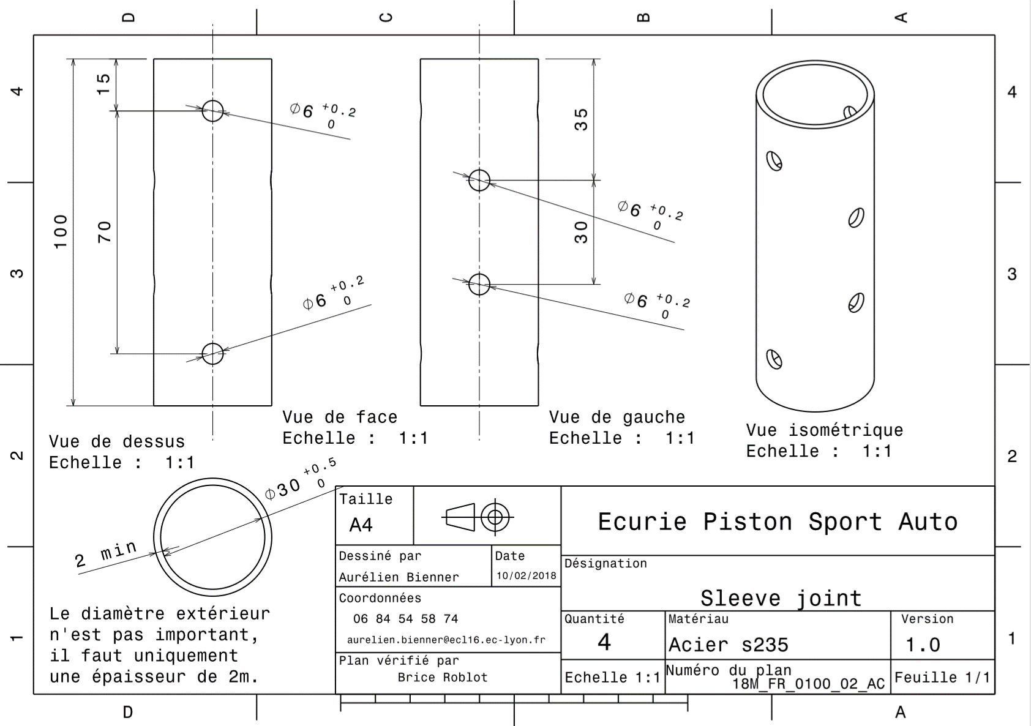
Drawing Part : | FR 01004

FR A0200
University | Ecole Centrale de Lyon |  |  |  | Back to BOM |  |  |  | Car # | 81 | Asm Cost | $46.71
System | Frame and Body |  |  |  |  |  |  |  |  |  | Qty | 1
Assembly | Impact Attenuator |  |  |  |  |  |  |  | FileLink1
P/N Base | FR A0200 |  |  |  |  |  |  |  | FileLink2 |  | Extended Cost | $46.71
Suffix | AA |  |  |  |  |  |  |  | FileLink3
Details | FSAE Impact Attenuator

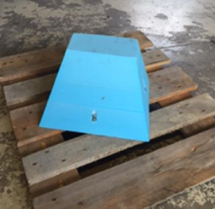
ItemOrder | Part | Part Cost | Quantity | Sub Total
10 | Impact Attenuator | $35.19 | 1 | $35.19
 |  |  | Sub Total | $35.19

ItemOrder | Process | Use | UnitCost | Unit | Quantity | Multiplier | Mult. Val. | Sub Total
10 | Assemble, 1 kg, Loose | Assemble Attenuator on IA Plate | $0.06 | Unit | 1 |  | 1 | $0.06
20 | Ratchet <= 25.4 mm | Bolt Attenuator on Plate | $0.75 | Unit | 8 |  | 1 | $6.00
30 | Reaction Tool <= 25.4 mm | Bolt Attenuator on Plate | $0.25 | Unit | 8 |  | 1 | $2.00
 |  |  |  |  |  |  | Sub Total | $8.06

ItemOrder | Fastener | Use | UnitCost | Size1 | Unit1 | Size2 | Unit2 | Quantity | Sub Total
10 | Bolt,Grade 8.8 (SAE 5) |  | $0.39 | 8 | mm | 80 | mm | 6 | $2.32
20 | Bolt,Grade 8.8 (SAE 5) |  | $0.53 | 8 | mm | 100 | mm | 1 | $0.53
30 | Bolt,Grade 8.8 (SAE 5) |  | $0.21 | 8 | mm | 50 | mm | 1 | $0.21
40 | Nut, Grade 8.8 (SAE 5) |  | $0.04 | 8 | mm |  |  | 8 | $0.36
50 | Washer, Grade 8.8 (SAE 5) |  | $0.01 | 1 | Unit |  |  | 4 | $0.04
 |  |  |  |  |  |  |  | Sub Total | $3.45

dFR_03001
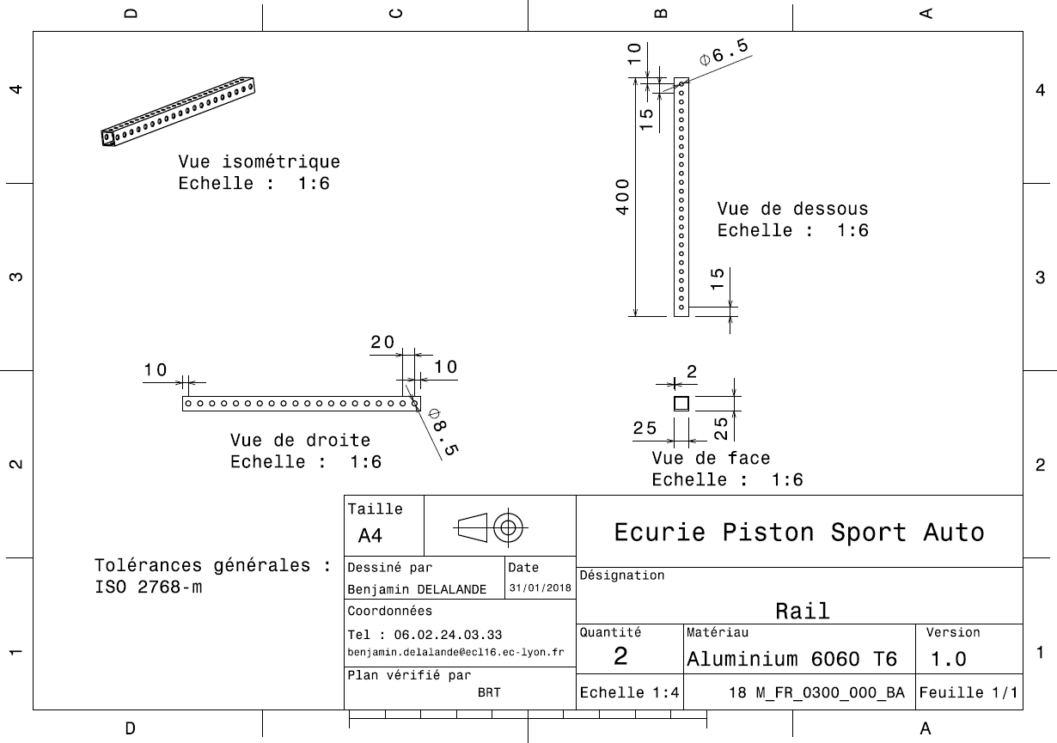
Drawing part : | FR 03001

dFR_03002
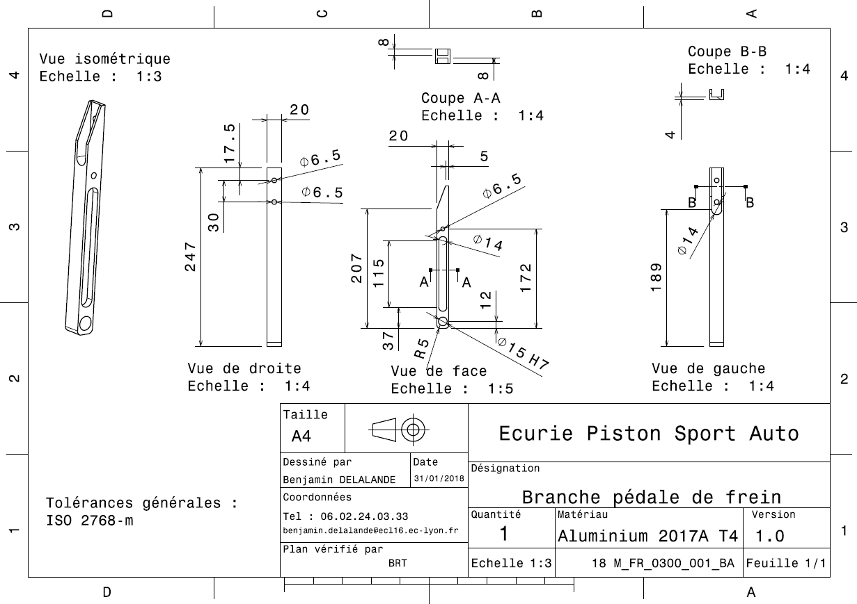
Drawing part : | FR 03002

dFR_03003
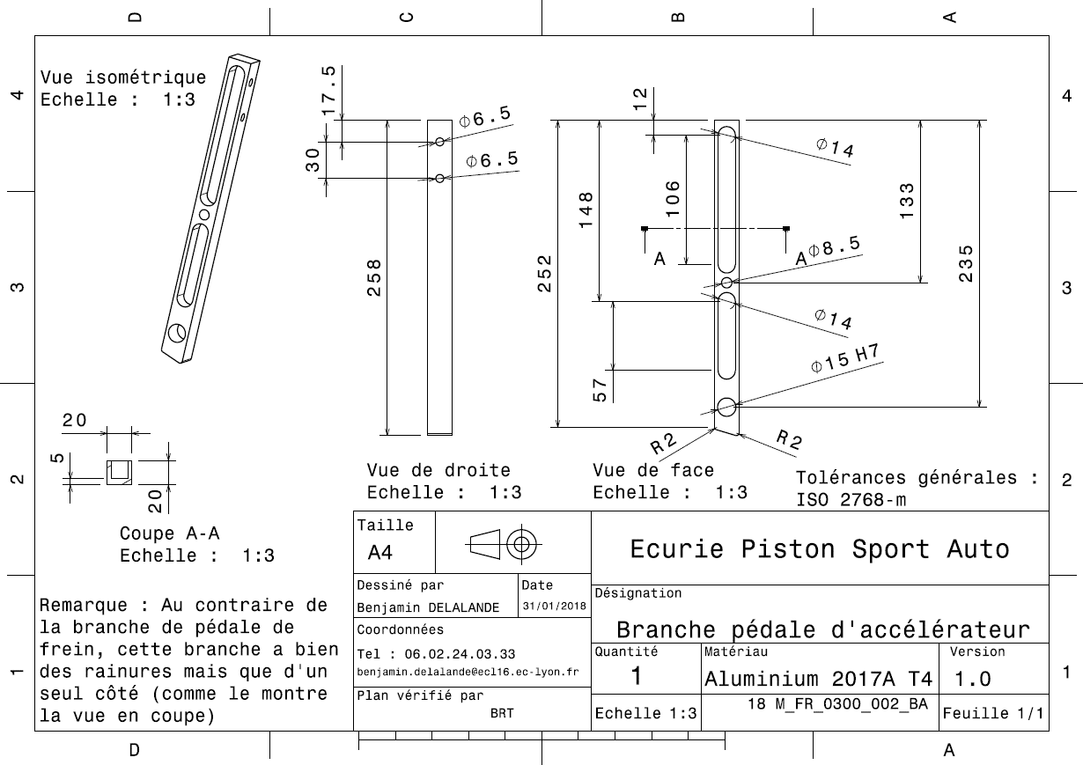
Drawing Part : | FR 03003

dFR_03004
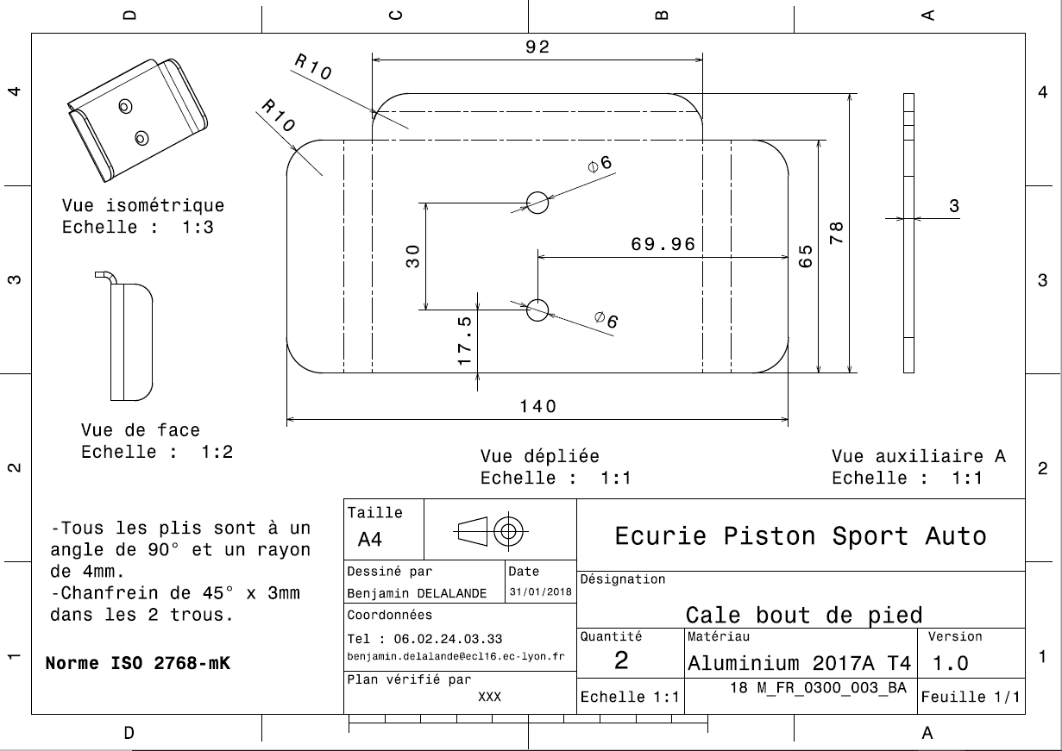
Drawing Part : | FR 03004

dFR_03005
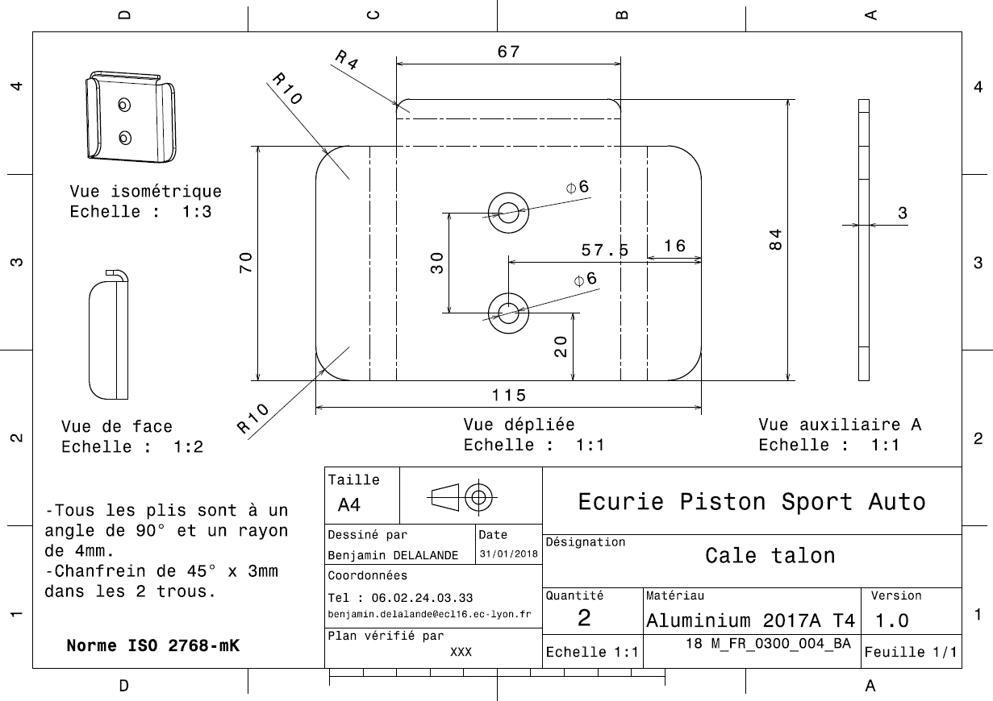
Drawing Part : | FR 03005

dFR_03006
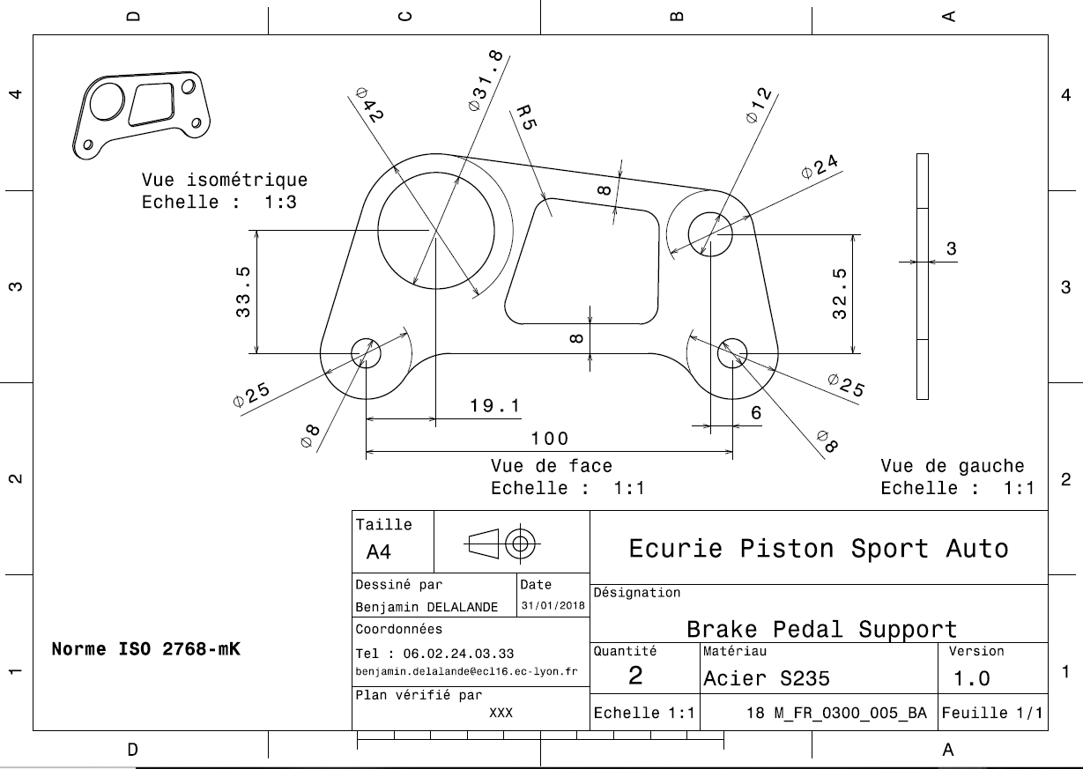
Drawing Part : | FR_03006

dFR_03007
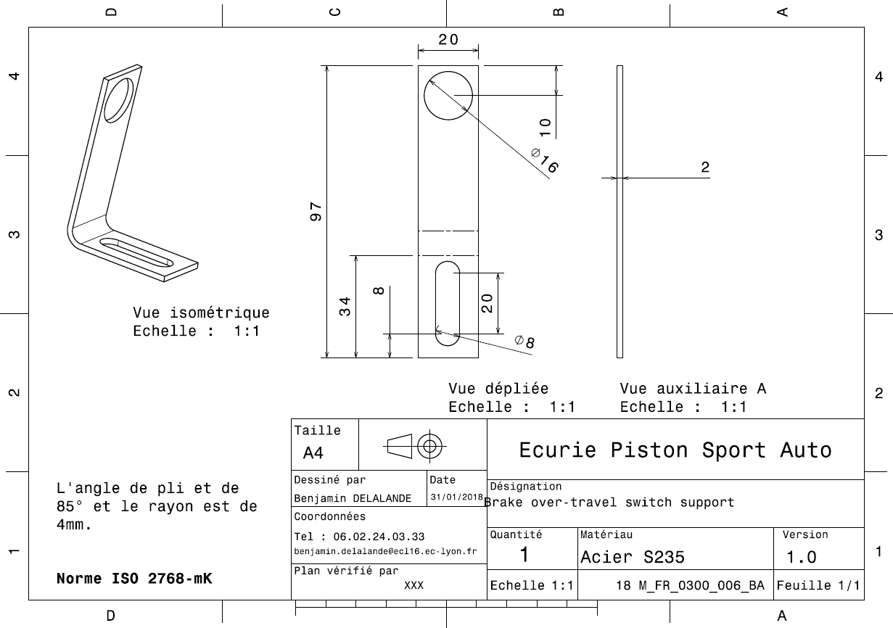
Drawing Part : | FR 03007

dFR_03008
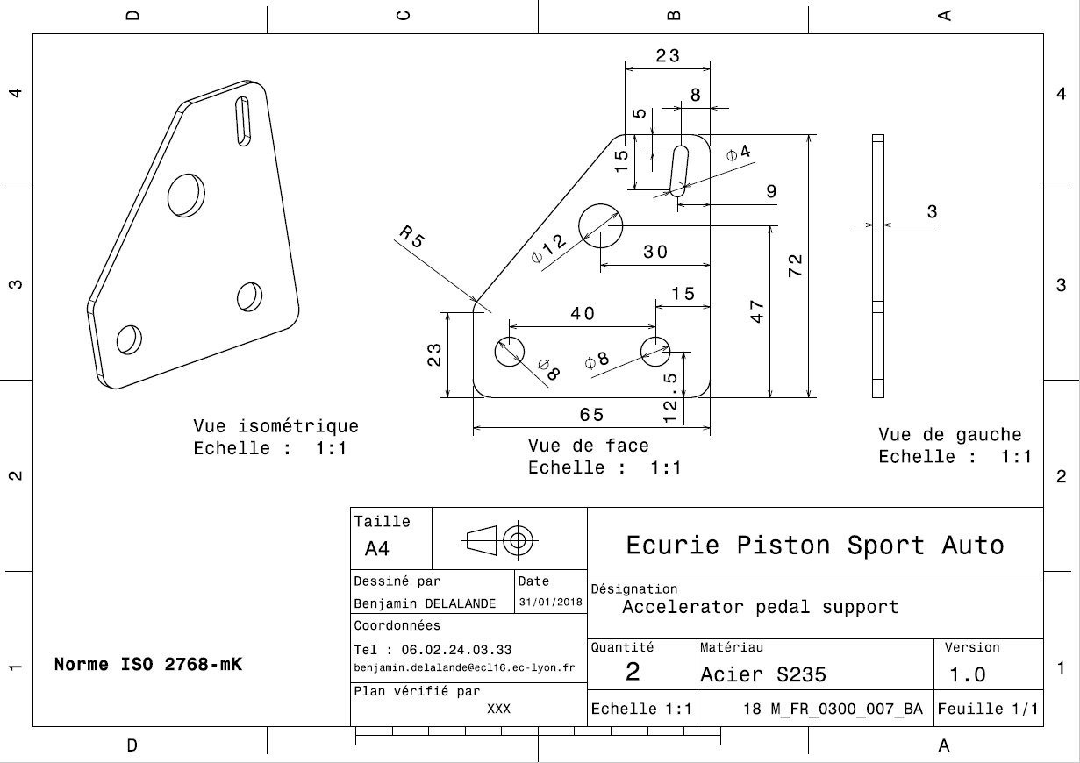
Drawing Part : | FR 03008

dFR_03009
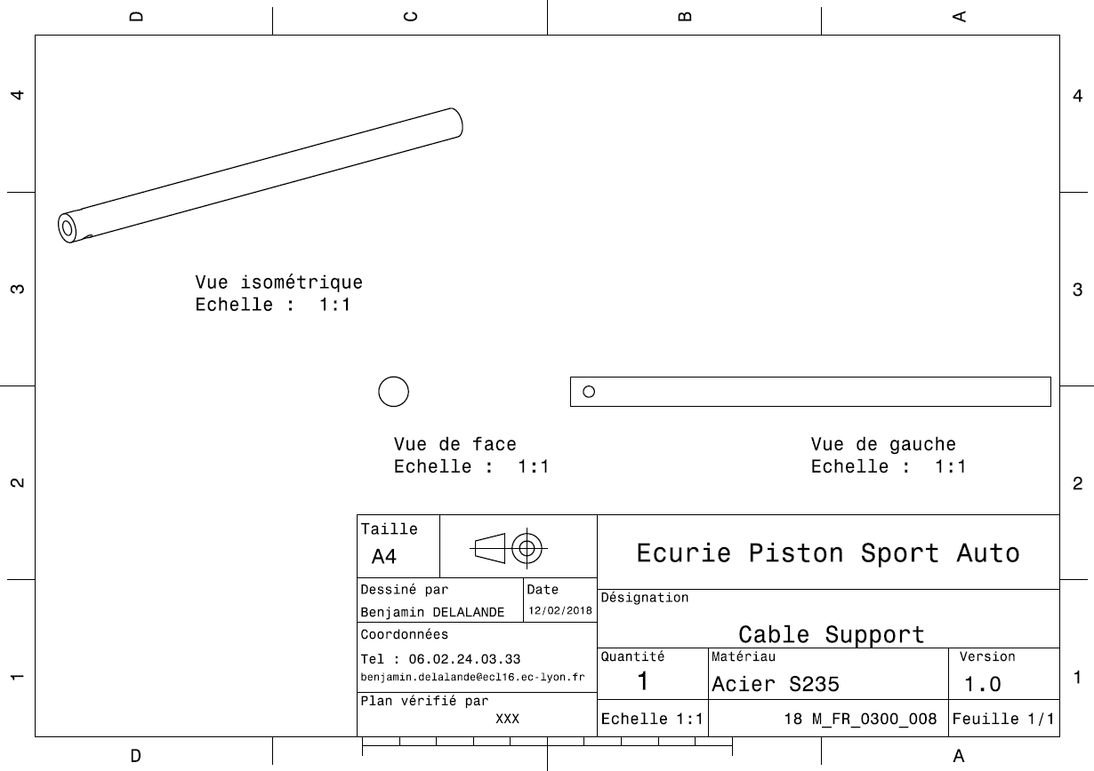
Drawing Part : | FR 03009

dFR_03010
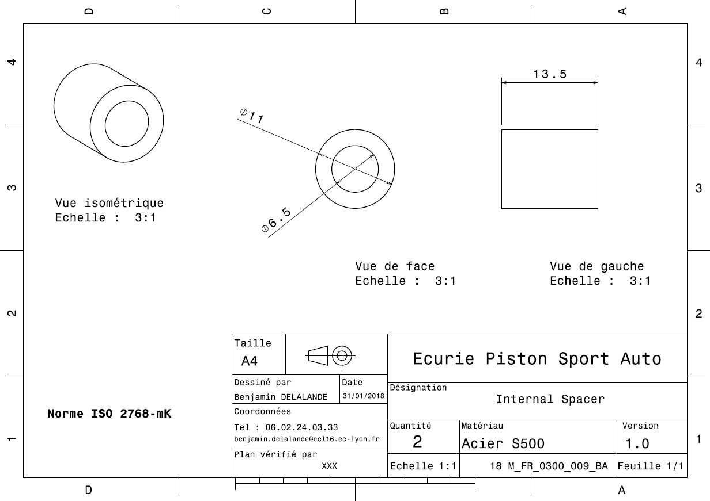
Drawing Part : | FR 03010

dFR_03011
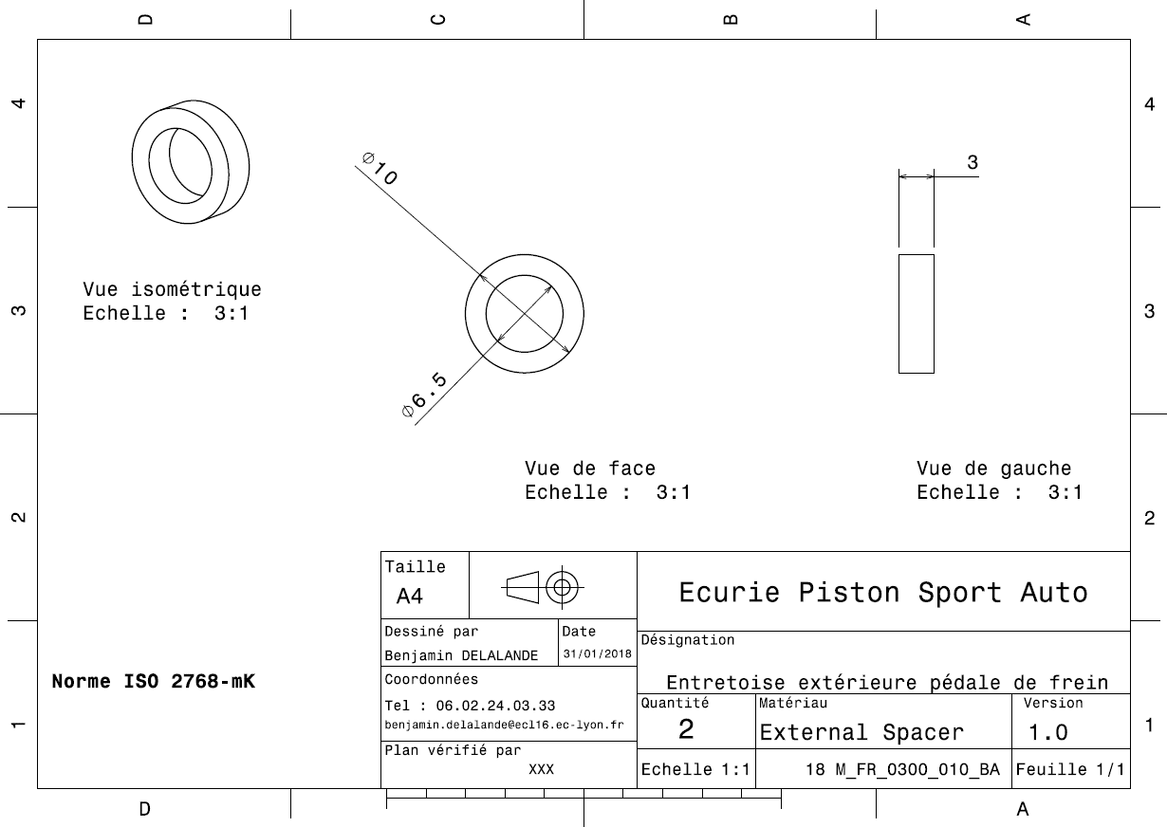
Drawing Part : | FR 03011

dFR_03012
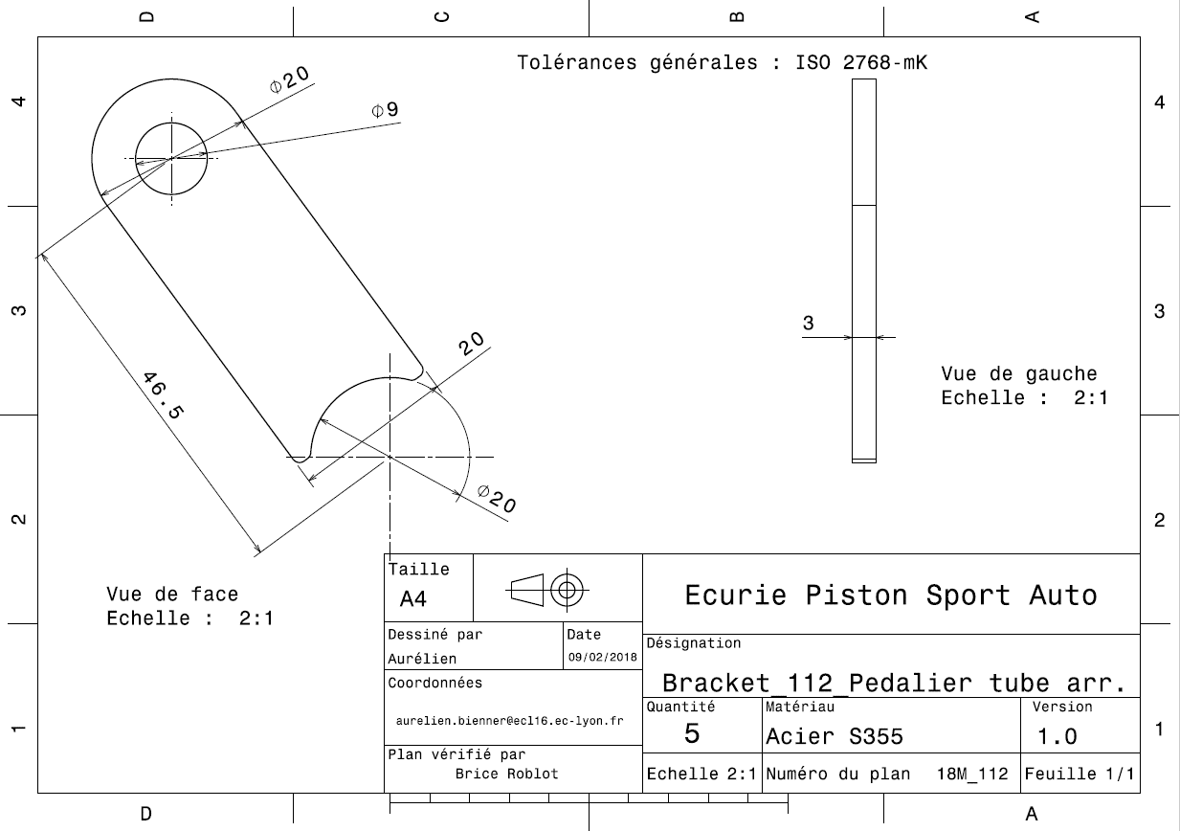
Drawing Part : | FR 03012

dFR_03013
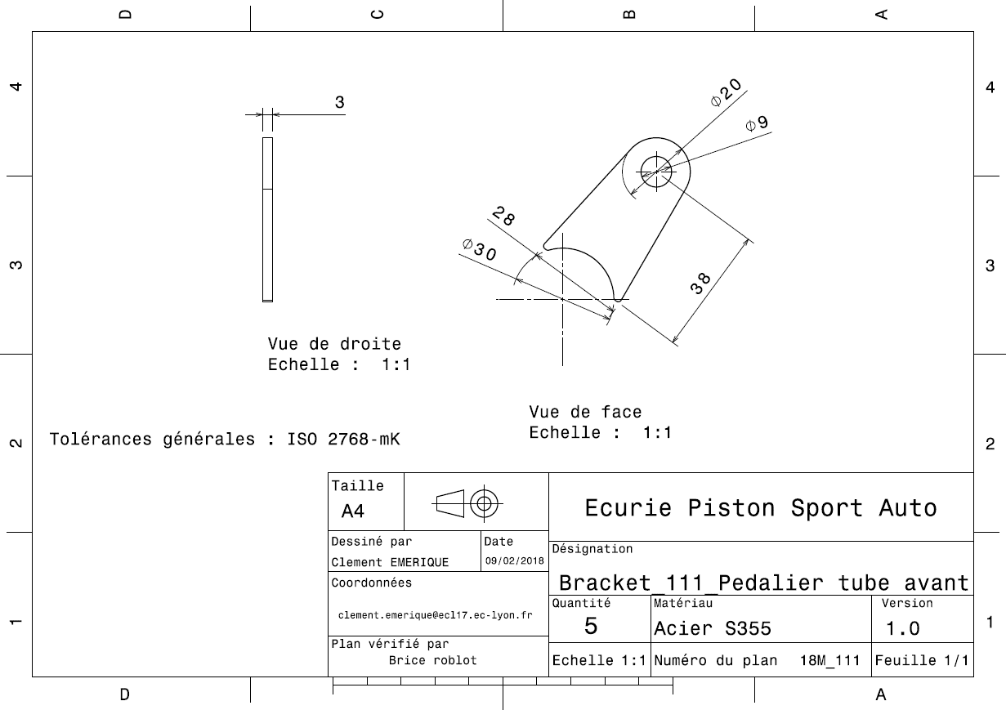
Drawing Part : | FR 03013

dFR_03014
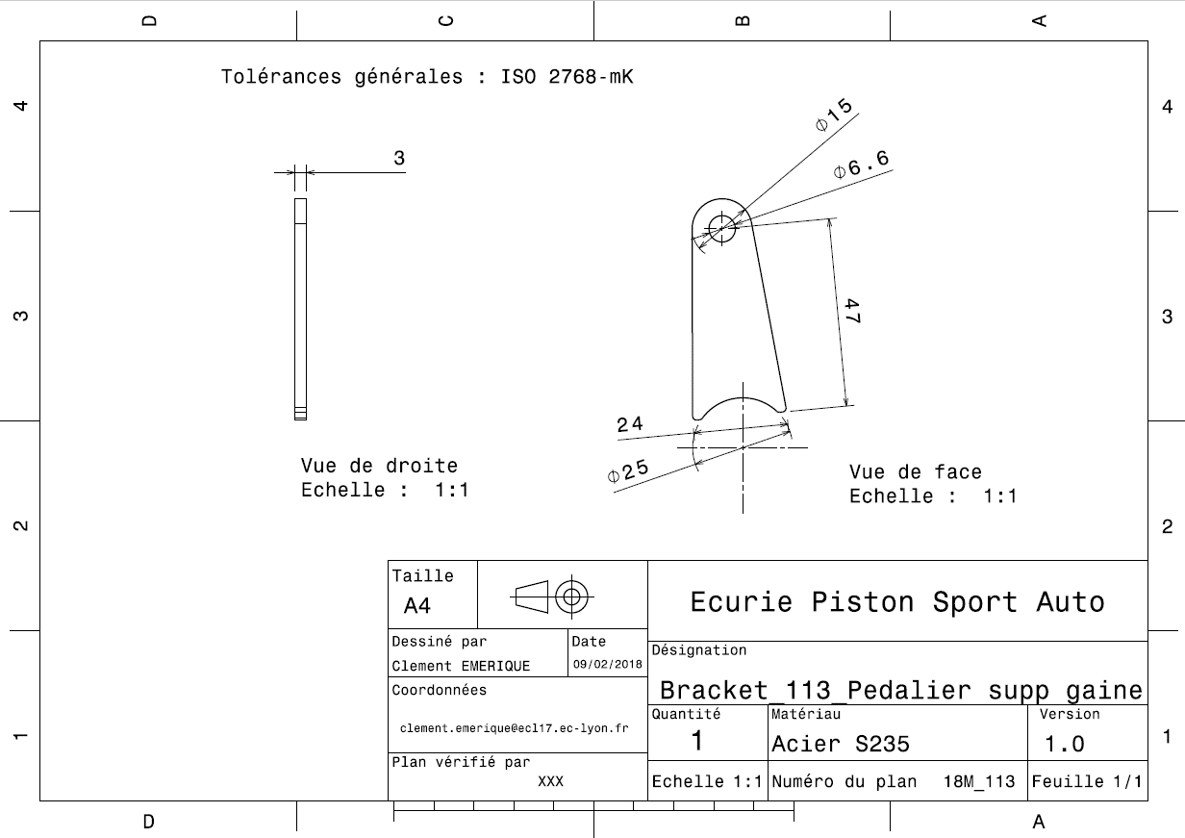
Drawing Part : | FR_03014

dFR_04001
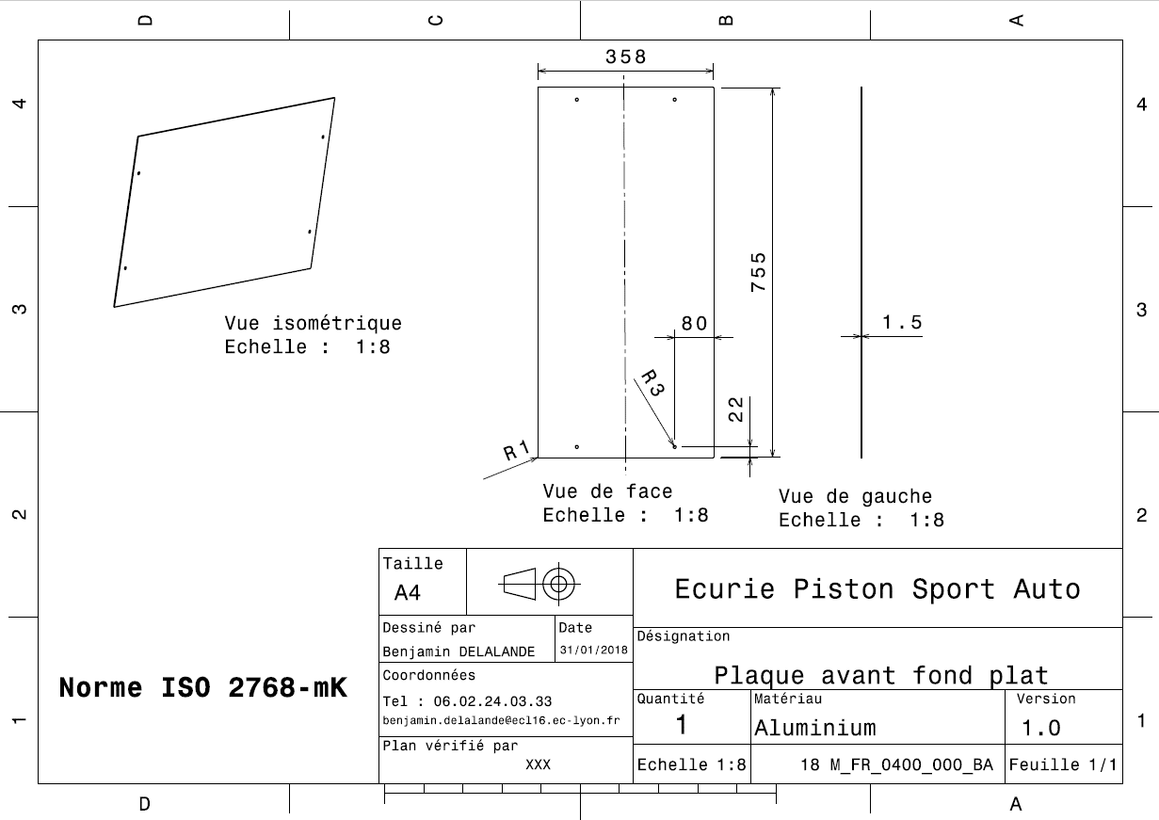
Drawing part : | FR 04001

dFR_04002
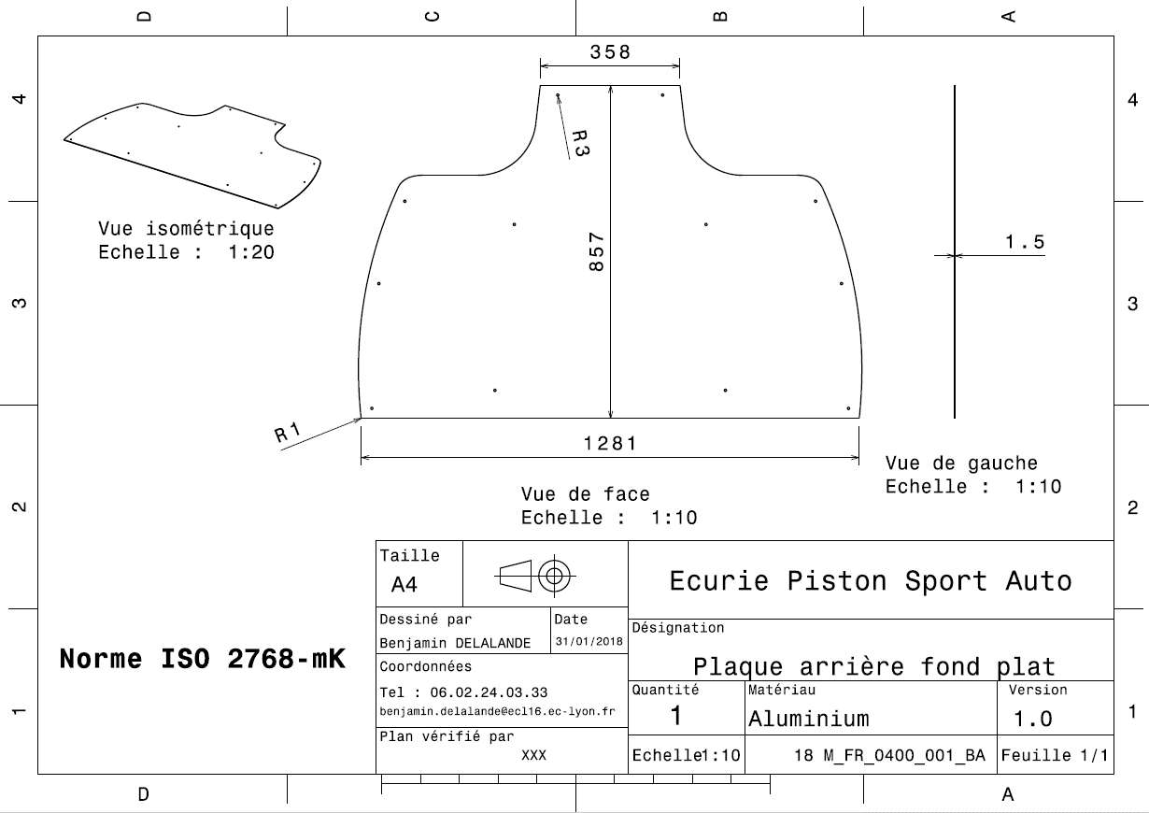
Drawing Part : | FR 04002

dFR_04003
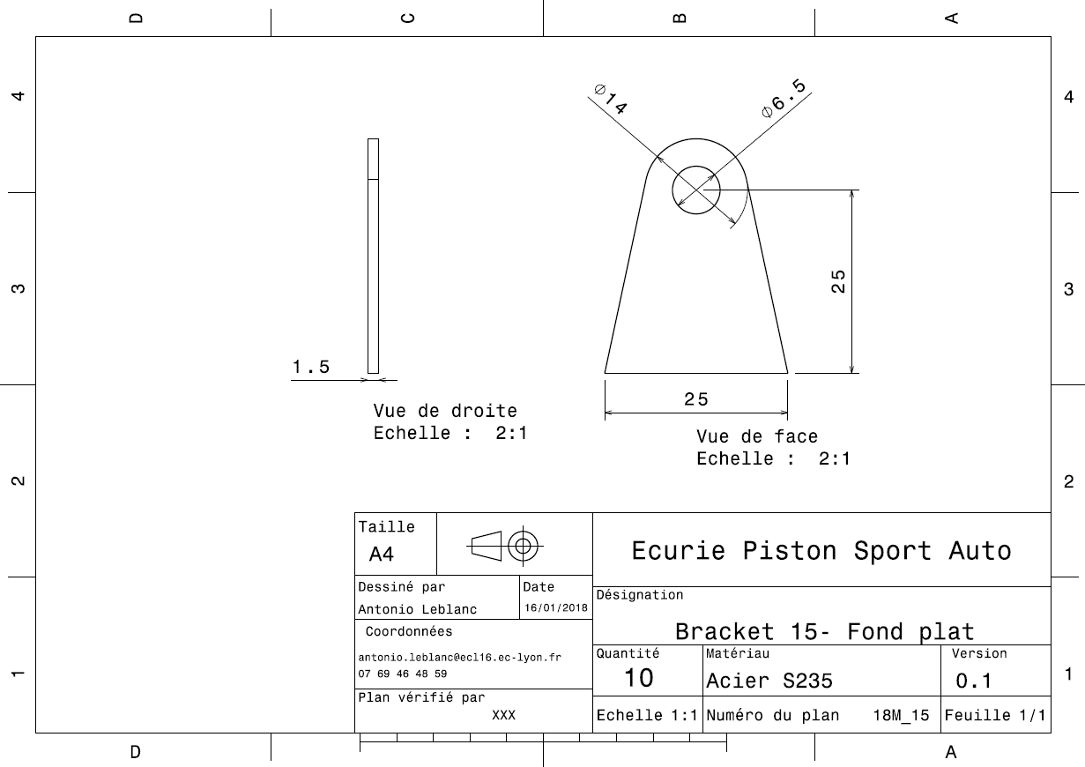
Drawing Part : | FR 04003

FR A0500
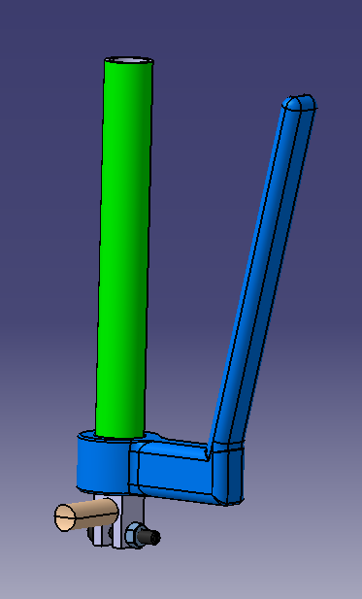
University | Ecole Centrale de Lyon |  |  | Back to BOM |  |  |  |  | Car # | 81 |  | Asm Cost | $61.11
System | Frame and Body |  |  |  |  |  |  |  |  |  |  | Qty | 1
Assembly | Clutch actuation system |  |  |  |  |  |  |  | FileLink1
P/N Base | FR A0500 |  |  |  |  |  |  |  | FileLink2 |  |  | Extended Cost | $61.11
Suffix | AA |  |  |  |  |  |  |  | FileLink3
Details | made in 2017

ItemOrder | Part | Part Cost | Quantity | Sub Total
10 | Lever Handle | $4.37 | 1 | $4.37
20 | Handle padding | $7.40 | 1 | $7.40
30 | Clutch mount | $2.37 | 1 | $2.37
40 | Lever joint | $11.77 | 1 | $11.77
50 | Actuation lever | $10.15 | 1 | $10.15
 |  |  | Sub Total | $36.06

ItemOrder | Material | Use | UnitCost | Size1 | Unit1 | Size2 | Unit2 | Area Name | Area | Length | Density | Quantity | Sub Total
10 | Cable, Pull | Clutch actuation | $15.00 |  |  |  |  |  |  | 1.30 |  | 1.00 | $19.50
20 | Paint | Protect clutch from rust | $10.00 | 0.05 | m^2 |  |  |  |  |  |  | 1.00 | $0.50
30 | Cable adjuster | Clutch cable | $1.00 |  |  |  |  |  |  |  |  | 2.00 | $2.00
 |  |  |  |  |  |  |  |  |  |  |  | Sub Total | $22.00

ItemOrder | Process | Use | UnitCost | Unit | Quantity | Multiplier | Mult. Val. | Sub Total
10 | Weld | Welding clutch mount on frame | $0.15 | unit | 6 |  | 1 | $0.90
20 | Aerosol Apply | Protect clutch mount from rust | $5.25 | m^2 | 0.05 |  | 1 | $0.26
30 | Assemble, 1kg, Line-on-Line | Connect lever handle with clutch mount | $0.13 | unit | 1 |  | 1 | $0.13
40 | Assemble, 1kg, Loose | Put handle padding on lever handle | $0.06 | unit | 1 |  | 1 | $0.06
50 | Ratchet <= 6,35 mm | Install M6 bolt between mount and lever handle | $0.50 | unit | 1 |  | 1 | $0.50
60 | Reaction Tool <= 6,35 mm | Install M6 nut blocking | $0.25 | unit | 1 |  | 1 | $0.25
70 | Assemble, 1kg, Interference | Put lever joint on lever handle | $0.19 | unit | 1 |  | 1 | $0.19
80 | Assemble, 1kg, Line-on-Line | Put clutch cable on clutch lever | $0.13 | unit | 1 |  | 1 | $0.13
90 | Assemble, 1kg, Interference | Connect cable on engine | $0.19 | unit | 1 |  | 1 | $0.19
 |  |  |  |  |  |  | Sub Total | $2.60

ItemOrder | Fastener | Use | UnitCost | Size1 | Unit1 | Size2 | Unit2 | Quantity | Sub Total
10 | Bolt, Grade 8.8 (SAE 5) |  | $0.07 | 6 | mm | 32 | mm | 1 | $0.07
20 | Nut, Grade 8,8 (SAE 5) |  | $0.03 | 6 | mm |  |  | 1 | $0.03
30 | Washer, Grade 8.8 (SAE 5) |  | $0.01 |  |  |  |  | 2 | $0.02
 |  |  |  |  |  |  |  | Sub Total | $0.12

ItemOrder | Tooling | Use | UnitCost | Unit | Quantity | PVF | FractionIncluded | Sub Total
10 | Welds - Welding Fixture | Welding clutch mount on frame | $500.00 | point | 2 | 3000 | 1 | $0.33
 |  |  |  |  |  |  | Sub Total | $0.33

FR 05001
University | Ecole Centrale de Lyon |  |  |  |  | Back to BOM |  |  | Car # | 81 |  | Part Cost | $4.37
System | Frame and Body |  | FileLink1 | Drawing |  |  |  |  |  |  |  | Qty | 1
Assembly | Clutch actuation system |  | FileLink2 |  |  |  |  |  | FileLink1
Part | Lever Handle |  | FileLink3 |  |  |  |  |  | FileLink2 |  |  | Extended Cost | $4.37
P/N Base | FR 05001 |  |  |  |  |  |  |  | FileLink3
Suffix | AA
Details

ItemOrder | Material | Use | UnitCost | Size1 | Unit1 | Size2 | Unit2 | Area Name | Area | Length | Density | Quantity | Sub Total
10 | Aluminum | Stock material for part | $4.20 | 0.222 | kg |  |  |  |  |  |  | 1.00 | $0.93
 |  |  |  |  |  |  |  |  |  |  |  | Sub Total | $0.93

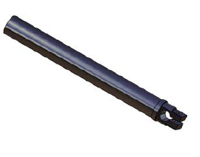
ItemOrder | Process | Use | UnitCost | Unit | Quantity | Multiplier | Mult. Val. | Sub Total
10 | Machining Setup, Install and remove |  | $1.30 | unit | 1 |  | 1 | $1.30
20 | Machining | Main shape contouring | $0.04 | cm | 8 | Material -Aluminum | 1 | $0.31
30 | Machining Setup, Change |  | $0.65 | unit | 1 |  | 1 | $0.65
40 | Machining |  | $0.04 | ucm^3 | 1 | Material -Aluminum | 1 | $0.05
50 | Machining Setup, Change |  | $0.65 | unit | 1 |  | 1 | $0.65
60 | Machining |  | $0.04 | cm^3 | 3.3 | Material -Aluminum | 1 | $0.13
70 | Drilled holes < 25,4 mm dia. | Weigth reduction | $0.35 | hole | 1 | Material -Aluminum | 1 | $0.35
 |  |  |  |  |  |  | Sub Total | $3.44

dFR 05001
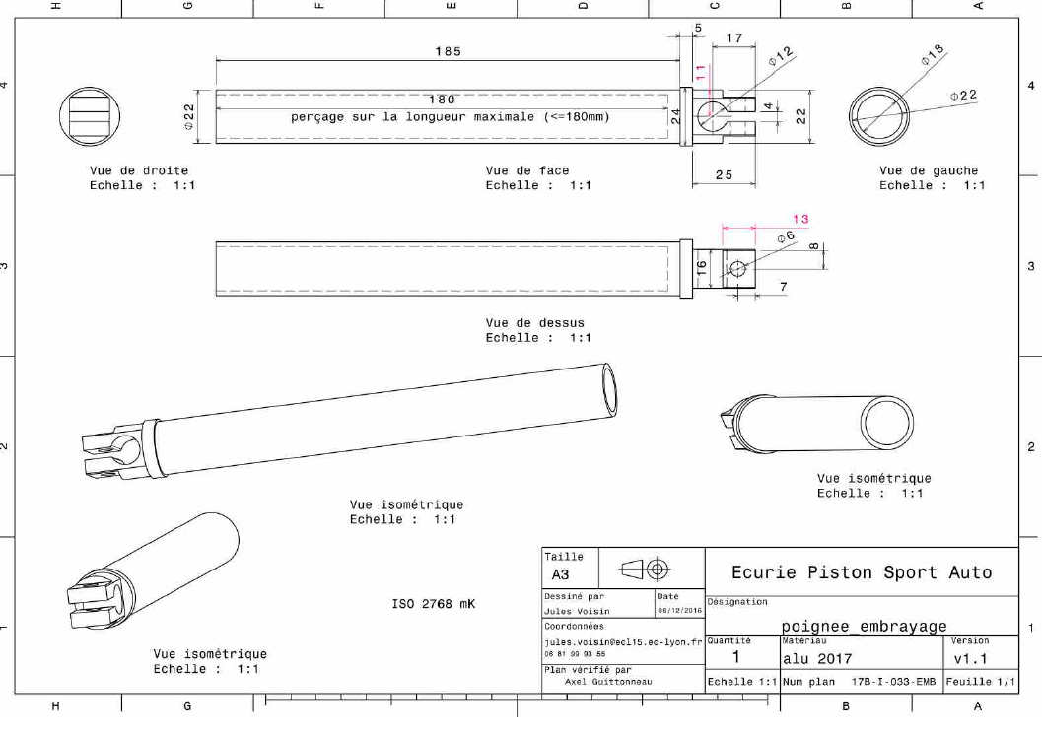
Drawing part : | #NAME?

FR 05003
University | Ecole Centrale de Lyon |  |  |  |  | Back to BOM |  |  | Car # | 81 |  | Part Cost | $2.37
System | Frame and Body |  | FileLink1 | Drawing |  |  |  |  |  |  |  | Qty | 1
Assembly | Clutch actuation system |  | FileLink2 |  |  |  |  |  | FileLink1
Part | Clutch mount |  | FileLink3 |  |  |  |  |  | FileLink2 |  |  | Extended Cost | $2.37
P/N Base | FR 05003 |  |  |  |  |  |  |  | FileLink3
Suffix | AA
Details

ItemOrder | Material | Use | UnitCost | Size1 | Unit1 | Size2 | Unit2 | Area Name | Area | Length | Density | Quantity | Sub Total
10 | Steel, mild | Stock material for part | $2.25 | 0.043 | kg |  |  |  |  |  | 7,850 | 1.00 | $0.10
 |  |  |  |  |  |  |  |  |  |  |  | Sub Total | $0.10

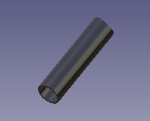
ItemOrder | Process | Use | UnitCost | Unit | Quantity | Multiplier | Mult. Val. | Sub Total

10 | Machining Setup, Install and remove |  | $1.30 | unit | 1 |  |  | $1.30
20 | Machining |  | $0.04 | cm^3 | 5 |  |  | $0.20
30 | Machining Setup, Change |  | $0.65 | unit | 1 |  |  | $0.65
 | Machining | removing weight | $0.04 | cm^3 | 3 |  |  | $0.13
 |  |  |  |  |  |  | Sub Total | $2.28

FR A0600
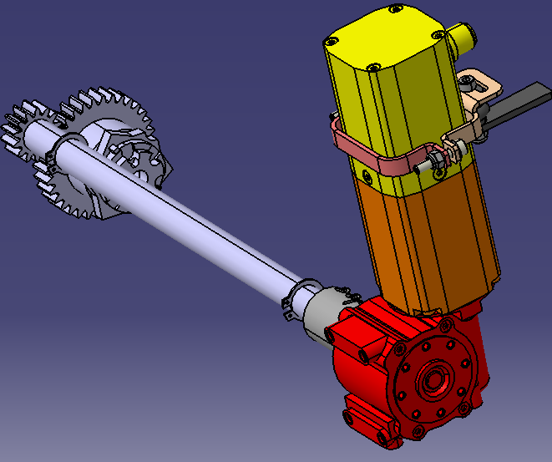
University | Ecole Centrale de Lyon |  |  | Back to BOM |  |  |  |  | Car # | 81 |  | Asm Cost | $112.48
System | Frame and Body |  |  |  |  |  |  |  |  |  |  | Qty | 1
Assembly | Shifter |  |  |  |  |  |  |  | FileLink1
P/N Base | FR A0600 |  |  |  |  |  |  |  | FileLink2 |  |  | Extended Cost | $112.48
Suffix | AA |  |  |  |  |  |  |  | FileLink3
Details

ItemOrder | Part | Part Cost | Quantity | Sub Total
 | Engine gear boxx drum gear | $12.69 | 1 | $12.69
20 | Engine gear box shifting pinion shaft | $15.88 | 1 | $15.88
30 | Engine gear box actator tab | $1.60 | 1 | $1.60
40 | Front engine gearbox actuator mount | $2.82 | 1 | $2.82
50 | Rear engine gearbox actuator mount | $2.56 | 1 | $2.56
60 | Engine gearbox actuator coupling | $7.49 | 1 | $7.49
 |  |  | Sub Total | $43.04

ItemOrder | Material | Use | UnitCost | Size1 | Unit1 | Size2 | Unit2 | Area Name | Area | Length | Density | Quantity | Sub Total
10 | Paint | Protect steel tab from rust | $10.00 | 0.005 | m^2 |  |  |  |  |  |  | 1.00 | $0.05
20 | Motor, 12 Volt,DC Brushless Servo | Engine gearbox actuator | $40.00 | 40 | unit |  |  |  |  |  |  | 1.00 | $40.00
30 | Mount, Viration-Damping Sandwich | Maintain motor to frame | $2.43 | 9 | mm |  |  |  |  |  |  | 1.00 | $2.43
 |  |  |  |  |  |  |  |  |  |  |  | Sub Total | $42.48

ItemOrder | Process | Use | UnitCost | Unit | Quantity | Multiplier | Mult. Val. | Sub Total
10 | Weld | Welding gear tab on frame | $0.15 | cm | 5 |  | 1 | $0.75
20 | Aerosol Apply | Protect gear tab from rust | $5.25 | m^2 | 0.005 |  | 1 | $0.03
30 | Power Tool <= 25,4 mm | Remove engine case bolts | $0.25 | unit | 13 | Disassemble | 0.8 | $2.60
40 | Assemble, 3kg, Line-on-Line | Remove engine case | $0.38 | unit | 1 | Disassemble | 0.8 | $0.30
50 | Power Tool <= 6.35 mm | Remove clutch pressure bolts | $0.25 | unit | 5 | Disassemble | 0.8 | $1.00
60 | Assemble, 1 kg, Loose | Remove clutch pressure springs | $0.06 | unit | 5 | Disassemble | 0.8 | $0.25
70 | Assemble, 1 kg, Loose | Remove pressure disc assembly | $0.06 | unit | 1 | Disassemble | 0.8 | $0.05
80 | Assemble, 1 kg, Loose | Remove clutch disc assembly | $0.06 | unit | 1 | Disassemble | 0.8 | $0.05
90 | Power Tool <= 25.4 mm | Remove central clutch nut | $0.25 | unit | 1 | Disassemble | 0.8 | $0.20
100 | Assemble, 1 kg, Loose | Remove central clutch assembly | $0.06 | unit | 1 | Disassemble | 0.8 | $0.05
110 | Assemble, 1 kg, Loose | Remove clutch guide | $0.06 | unit | 1 | Disassemble | 0.8 | $0.05
120 | Assemble, 1 kg, Loose | Remove clutch roller case assembly | $0.06 | unit | 1 | Disassemble | 0.8 | $0.05
130 | Assemble, 1 kg, Loose | Remove clutch flywheel | $0.06 | unit | 1 | Disassemble | 0.8 | $0.05
140 | Power Tool <= 6.35 mm | Remove shifting shaft retaining bolt | $0.25 | unit | 5 | Disassemble | 0.8 | $1.00
150 | Assemble, 1 kg, Loose | Remove shifting shaft retaining plate | $0.06 | unit | 1 | Disassemble | 0.8 | $0.05
160 | Assemble, 3 kg, Line-on-Line | Remove shifting shaft | $0.38 | unit | 1 | Disassemble | 0.8 | $0.30
170 | Power Tool <= 25.4 mm | Remove shifting shaft stop | $0.25 | unit | 1 | Disassemble | 0.8 | $0.20
180 | Power Tool <= 6.35 mm | Remove gearshift drum stopper bolt | $0.25 | unit | 1 | Disassemble | 0.8 | $0.20
190 | Assemble, 1 kg, Interference | Remove shift drum stopper assembly | $0.19 | unit | 1 | Disassemble | 0.8 | $0.15
200 | Power Tool <= 25.4 mm | Remove shift star bolt | $0.25 | unit | 1 | Disassemble | 0.8 | $0.20
210 | Assemble, 1 kg, Loose | Mount gearbox drum gear | $0.06 | unit | 1 |  | 1 | $0.06
220 | Power Tool <= 25.4 mm | Tighten shift star bolt | $0.25 | unit | 1 |  | 1 | $0.25
230 | Assemble, 1 kg, Interference | Mount retaining ring on shifting pinion shaft | $0.19 | unit | 1 |  | 1 | $0.19
240 | Assemble, 1 kg, Loose | Mount washer on shifting pinion shaft | $0.06 | unit | 1 |  | 1 | $0.06
250 | Assemble, 1 kg, Line-on-Line | Mount shifting pinion shaft | $0.13 | unit | 1 |  | 1 | $0.13
260 | Assemble, 1 kg, Loose | Mount washer on shifting pinion shaft | $0.06 | unit | 1 |  | 1 | $0.06
270 | Assemble, 1 kg, Interference | Mount retaining ring on shifting pinion shaft | $0.19 | unit | 1 |  | 1 | $0.19
280 | Assemble, 1 kg, Line-on-Line | Mount gearbox actuator coupling | $0.13 | unit | 1 |  | 1 | $0.13
290 | Assemble, 3 kg, Loose | Mount clutch flywheel | $0.19 | unit | 1 |  | 1 | $0.19
300 | Assemble, 1 kg, Loose | Mount clutch roller case assembly | $0.06 | unit | 1 |  | 1 | $0.06
310 | Assemble, 1 kg, Loose | Mount clutch guide | $0.06 | unit | 1 |  | 1 | $0.06
320 | Assemble, 1 kg, Loose | Mount central clutch | $0.06 | unit | 1 |  | 1 | $0.06
330 | Assemble, 1 kg, Loose | Mount central clutch washers | $0.06 | unit | 1 |  | 1 | $0.06
340 | Power Tool <= 25.4 mm | Tighten central clutch nut | $0.25 | unit | 1 |  | 0.8 | $0.20
350 | Assemble, 1 kg, Loose | Mount clutch discs | $0.06 | unit | 1 |  |  | $0.06
360 | Assemble, 1 kg, Loose | Mount pressure disc assembly | $0.06 | unit | 1 |  |  | $0.06
370 | Assemble, 1 kg, Loose | Mount clutch pressure springs | $0.06 | unit | 1 |  |  | $0.06
380 | Power Tool <= 6.35 mm | Mount clutch pressure bolts | $0.25 | unit | 5 | Fastener Engagement Length > 2D | 1.25 | $1.56
390 | Assemble, 3 kg, Line-on-Line | Mount engine case | $0.38 | unit | 1 |  | 1 | $0.38
400 | Power Tool <= 25.4 mm | Mount engine case bolts | $0.25 | unit | 13 | Fastener Engagement Length > 2D | 1.25 | $4.06
410 | Assemble, 1 kg, Loose | Mount front actuator mount | $0.06 | unit | 1 |  | 1 | $0.06
420 | Assemble, 1 kg, Loose | Mount rear actuator mount | $0.06 | unit | 1 |  | 1 | $0.06
430 | Assemble, 1 kg, Loose | Mount washers on screws | $0.06 | unit | 2 |  | 1 | $0.13
440 | Assemble, 1 kg, Loose | Mount screws on actuator mount | $0.06 | unit | 2 |  | 1 | $0.13
450 | Assemble, 1 kg, Loose | Mount washers on screws | $0.06 | unit | 2 |  | 1 | $0.13
460 | Hand - Start Only | Mount nut on screws | $0.12 | unit | 2 |  | 1 | $0.24
470 | Assemble, 3 kg, Line-on-Line | Mount actuator assembly on coupling | $0.38 | unit | 1 |  | 1 | $0.38
480 | Assemble, 1 kg, Loose | Mount elastomere on tab | $0.06 | unit | 1 |  | 1 | $0.06
490 | Assemble, 1 kg, Loose | Align rear mount with tab | $0.06 | unit | 1 |  | 1 | $0.06
500 | Assemble, 1 kg, Loose | Mount washer on elastomere screw | $0.06 | unit | 1 |  | 1 | $0.06
510 | Wrench <= 6.35 mm | Tighten elastomer screw | $1.00 | unit | 1 | Fastener Engagement Length > 4D | 1.5 | $1.50
520 | Wrench <= 6.35 mm | Tighten actuator mount's bolts | $1.00 | unit | 2 |  | 1.25 | $2.50
530 | Reaction Tool <= 6.35 mm |  | $0.25 | unit | 2 |  |  | $0.50
540 | Wrench <= 6.35 mm | Tighten coupling bolts | $1.00 | unit | 4 |  | 1.25 | $5.00
 |  |  |  |  |  |  | Sub Total | $26.22

ItemOrder | Fastener | Use | UnitCost | Size1 | Unit1 | Size2 | Unit2 | Quantity | Sub Total
10 | Bolt,Grade 8.8 (SAE 5) | Fasten star gear to the shaft | $0.16 | 8 | mm | 40 | mm | 1 | $0.16
20 | Bolt,Grade 8.8 (SAE 5) | Lock actuator between mount brackets | $0.02 | 4 | mm | 20 |  | 3 | $0.06
30 | Washer, Grade 8.8 (SAE 5) | Lock actuator between mount brackets | $0.01 | 4 | mm |  |  | 5 | $0.05
40 | Nut, Grade 8.8 (SAE 5) | Lock actuator between mount brackets | $0.01 | 4 | mm |  |  | 2 | $0.02
50 | Washer, Grade 8.8 (SAE 5) | Make contact between rings and engine case | $0.01 | 14 | mm | 21 |  | 2 | $0.02
60 | Retaining Ring, External | Retain shifting pinion shaft | $0.05 | 14 | mm |  |  | 2 | $0.10
 |  |  |  |  |  |  |  | Sub Total | $0.41

ItemOrder | Tooling | Use | UnitCost | Unit | Quantity | PVF | FractionIncluded | Sub Total
10 | Welds - Welding Fixture | Welding gear tab | $500.00 | point | 2 | 3000 | 1 | $0.33
 |  |  |  |  |  |  | Sub Total | $0.33

FR 06001
University | Ecole Centrale de Lyon |  |  |  |  | Back to BOM |  |  | Car # | 81 |  | Part Cost | $12.69
System | Frame and Body |  | FileLink1 |  |  |  |  |  |  |  |  | Qty | 1
Assembly | Shifter |  | FileLink2 |  |  |  |  |  | FileLink1
Part | Engine gear box drum gear |  | FileLink3 |  |  |  |  |  | FileLink2 |  |  | Extended Cost | $12.69
P/N Base | FR 06001 |  |  |  |  |  |  |  | FileLink3
Suffix | AA
Details

ItemOrder | Material | Use | UnitCost | Size1 | Unit1 | Size2 | Unit2 | Area Name | Area | Length | Density | Quantity | Sub Total
10 | Steel, Alloy | Material for part | $2.25 | 0.241 | kg |  |  |  |  |  | 7,850 | 1.00 | $0.54
 |  |  |  |  |  |  |  |  |  |  |  | Sub Total | $0.54
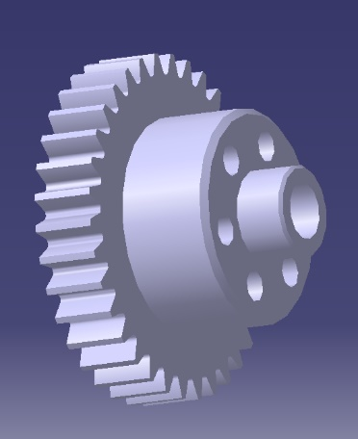
ItemOrder | Process | Use | UnitCost | Unit | Quantity | Multiplier | Mult. Val. | Sub Total
10 | Machining Setup, Install and remove | Setup for machining | $1.30 | unit | 1 |  | 1 | $1.30
20 | Machining | Shift star contact | $0.04 | cm^3 | 50 | Material - Steel | 3 | $6.00
30 | Machining Setup, Change |  | $0.65 | unit | 1 |  | 1 | $0.65
40 | Machining | Screw holes | $0.04 | cm^3 | 5 | Material - Steel | 3 | $0.60
50 | Drilled holes < 25,4 mm dia. |  | $0.35 | hole | 6 |  | 1 | $2.10
60 | Gear Shaping (hobbing) |  | $0.50 | cm^3 | 1 | Material - Steel | 3 | $1.50
 |  |  |  |  |  |  | Sub Total | $12.15

FR 06004
University | Ecole Centrale de Lyon |  |  |  |  | Back to BOM |  |  | Car # | 81 |  | Part Cost | $2.82
System | Frame and Body |  | FileLink1 | Drawing |  |  |  |  |  |  |  | Qty | 1
Assembly | Shifter |  | FileLink2 |  |  |  |  |  | FileLink1
Part | Front engine gearbox actuator mount |  | FileLink3 |  |  |  |  |  | FileLink2 |  |  | Extended Cost | $2.82
P/N Base | FR 06004 |  |  |  |  |  |  |  | FileLink3
Suffix | AA
Details

ItemOrder | Material | Use | UnitCost | Size1 | Unit1 | Size2 | Unit2 | Area Name | Area | Length | Density | Quantity | Sub Total
10 | Aluminium Normal | Material for part | $4.20 | 0.007 | kg |  |  |  |  |  | 2,712 | 1.00 | $0.03
 |  |  |  |  |  |  |  |  |  |  |  | Sub Total | $0.03

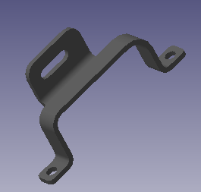
ItemOrder | Process | Use | UnitCost | Unit | Quantity | Multiplier | Mult. Val. | Sub Total
10 | Machining Setup, Install and remove | Setup for machining | $1.30 | unit | 1 |  | 1 | $1.30
20 | Laser Cut |  | $0.01 | cm^3 | 24 | Material - Aluminium | 1 | $0.24
30 | Sheet metal bends |  | $0.25 | bend | 5 |  | 1 | $1.25
 |  |  |  |  |  |  | Sub Total | $2.79

dFR 06004
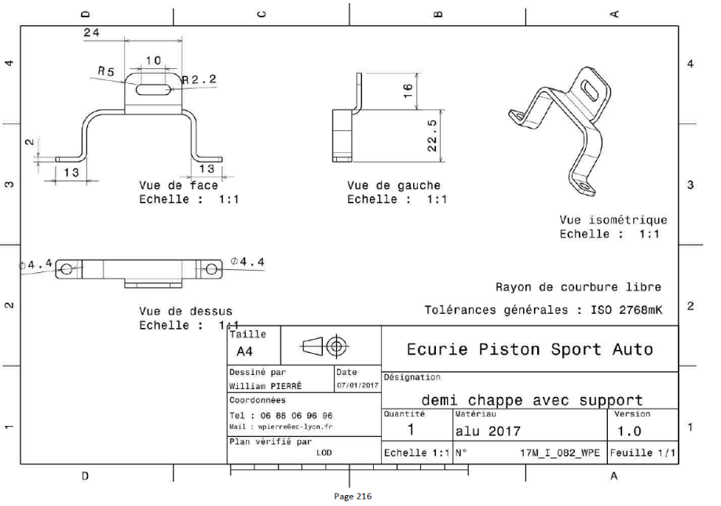
Drawing part : | FR 06004

FR 06005
University | Ecole Centrale de Lyon |  |  |  |  | Back to BOM |  |  | Car # | 81 |  | Part Cost | $2.56
System | Frame and Body |  | FileLink1 | Drawing |  |  |  |  |  |  |  | Qty | 1
Assembly | Shifter |  | FileLink2 |  |  |  |  |  | FileLink1
Part | Rear engine gearbox actuator mount |  | FileLink3 |  |  |  |  |  | FileLink2 |  |  | Extended Cost | $2.56
P/N Base | FR 06005 |  |  |  |  |  |  |  | FileLink3
Suffix | AA
Details

ItemOrder | Material | Use | UnitCost | Size1 | Unit1 | Size2 | Unit2 | Area Name | Area | Length | Density | Quantity | Sub Total
10 | Aluminium Normal | Material for part | $4.20 | 0.004 | kg |  |  |  |  |  | 2,712 | 1.00 | $0.02
 |  |  |  |  |  |  |  |  |  |  |  | Sub Total | $0.02

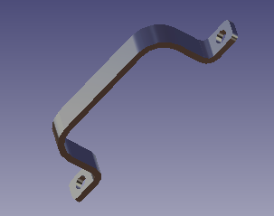
ItemOrder | Process | Use | UnitCost | Unit | Quantity | Multiplier | Mult. Val. | Sub Total
10 | Machining Setup, Install and remove | Setup for machining | $1.30 | unit | 1 |  | 1 | $1.30
20 | Laser Cut |  | $0.01 | cm^3 | 24 | Material - Aluminium | 1 | $0.24
30 | Sheet metal bends |  | $0.25 | bend | 4 |  | 1 | $1.00
 |  |  |  |  |  |  | Sub Total | $2.54

dFR 06005
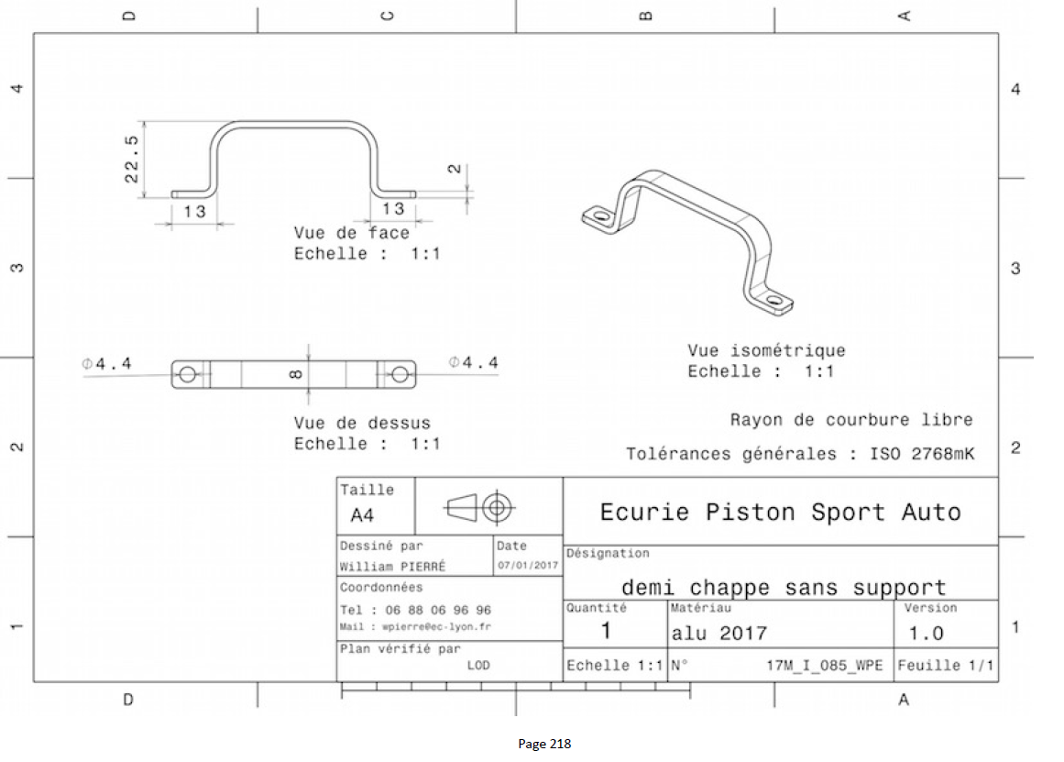
Drawing Part : | FR 06005

FR 06006
University | Ecole Centrale de Lyon |  |  |  |  | Back to BOM |  |  | Car # | 81 |  | Part Cost | $7.49
System | Frame and Body |  | FileLink1 |  |  |  |  |  |  |  |  | Qty | 1
Assembly | Shifter |  | FileLink2 |  |  |  |  |  | FileLink1
Part | Engine gearbox actuator coupling |  | FileLink3 |  |  |  |  |  | FileLink2 |  |  | Extended Cost | $7.49
P/N Base | FR_06006 |  |  |  |  |  |  |  | FileLink3
Suffix | AA
Details | Bought, cost as made

ItemOrder | Material | Use | UnitCost | Size1 | Unit1 | Size2 | Unit2 | Area Name | Area | Length | Density | Quantity | Sub Total
10 | Steel, Normal | Material for part | $2.25 | 0.177 | kg |  |  |  |  |  | 7,850 | 1.00 | $0.40
 |  |  |  |  |  |  |  |  |  |  |  | Sub Total | $0.40

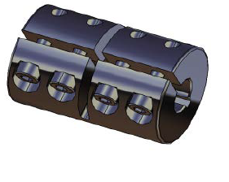
ItemOrder | Process | Use | UnitCost | Unit | Quantity | Multiplier | Mult. Val. | Sub Total
10 | Machining Setup, Install and remove | Setup for machining | $1.30 | unit | 1 |  | 1 | $1.30
20 | Machining |  | $0.04 | cm^3 | 5 | Material - Steel | 3 | $0.60
30 | Machining Setup, Change |  | $0.65 | unit | 1 |  | 1 | $0.65
40 | Machining |  | $0.04 | cm^3 | 3 | Material - Steel | 3 | $0.36
50 | Machining Setup, Change |  | $0.65 | unit | 1 |  | 1 | $0.65
60 | Machining |  | $0.04 | cm^3 | 1 | Material - Steel | 3 | $0.12
70 | Machining Setup, Change |  | $0.65 | unit | 1 |  | 1 | $0.65
80 | Machining |  | $0.04 | cm^3 | 1 | Material - Steel | 3 | $0.12
90 | Drilled holes < 25,4 mm dia. |  | $0.35 | holes | 4 |  | 1 | $1.40
100 | Threading, Internal (machining) |  | $0.10 | cm^3 | 4 | Material - Steel | 3 | $1.20
 |  |  |  |  |  |  | Sub Total | $7.05

ItemOrder | Fastener | Use | UnitCost | Size1 | Unit1 | Size2 | Unit2 | Quantity | Sub Total
10 | Bolt,Grade 8.8 (SAE 5) |  | $0.01 | 3 | mm | 10 | mm | 4 | $0.04

dFR_0700_000
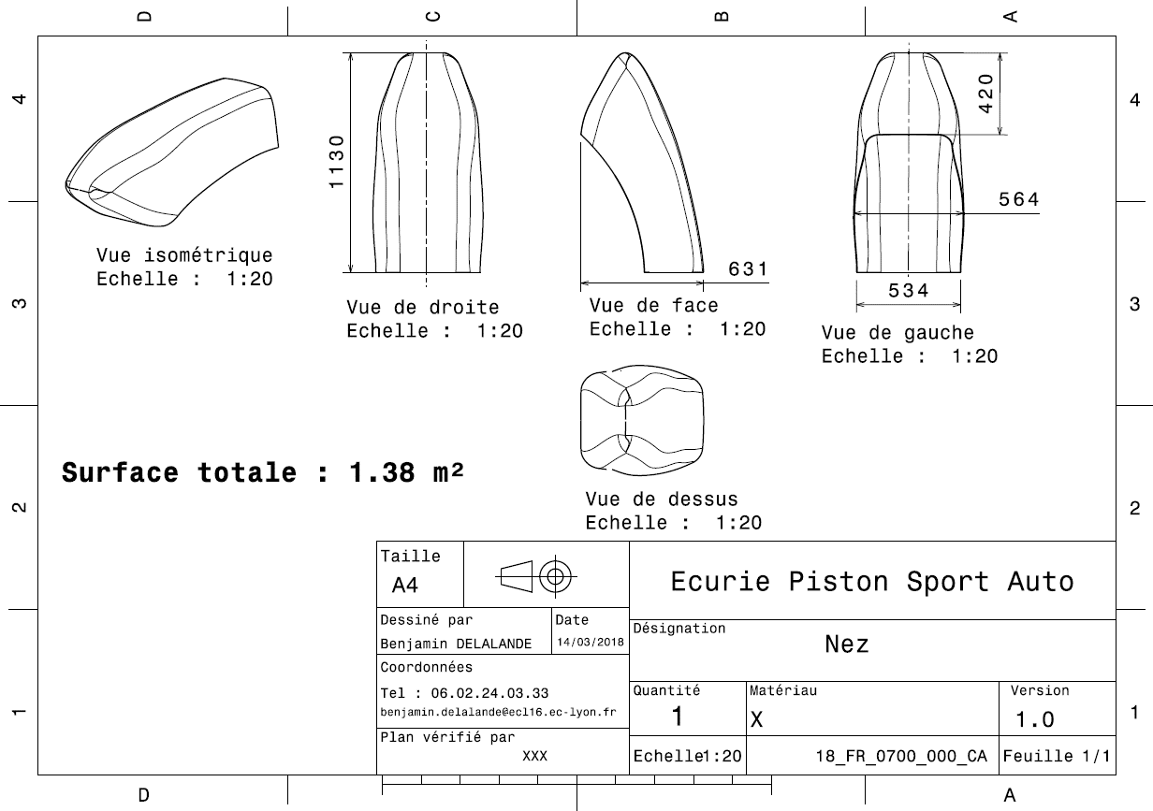
Drawing part : | FR_0700_000

dFR_0700_001
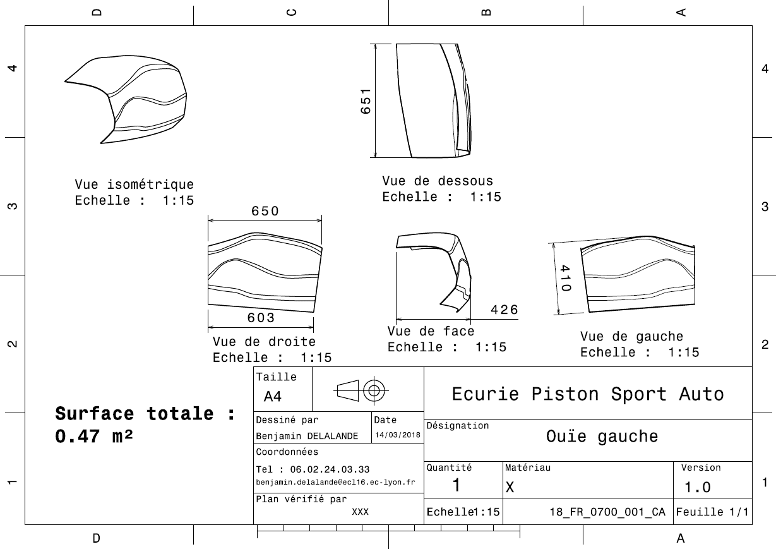
Drawing part : | FR_0700_001

dFR_0700_002
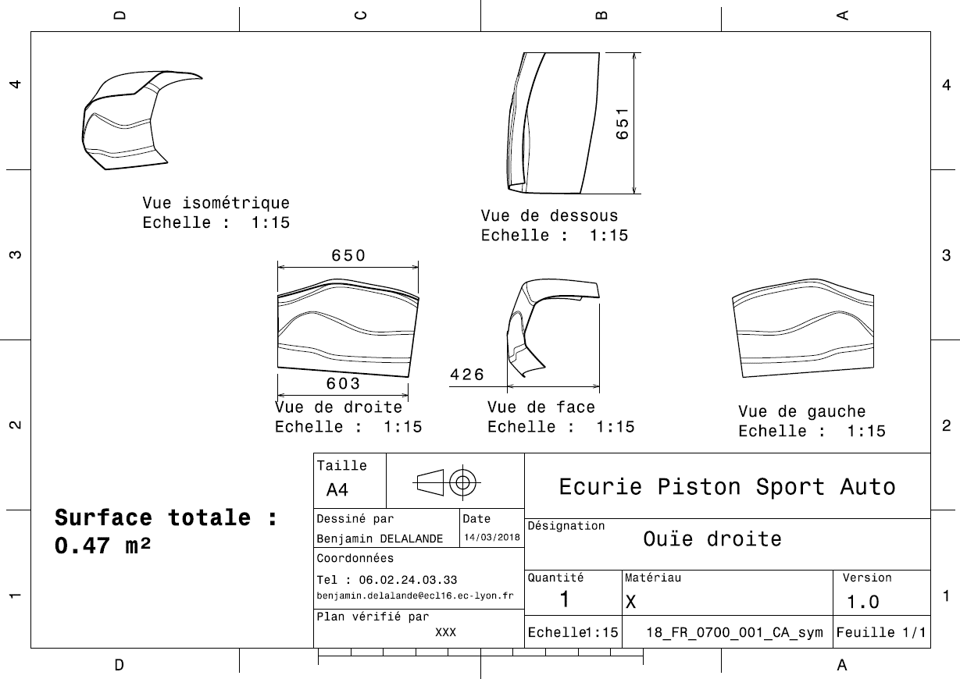
Drawing Part : | FR_0700_002

dFR_0700_003
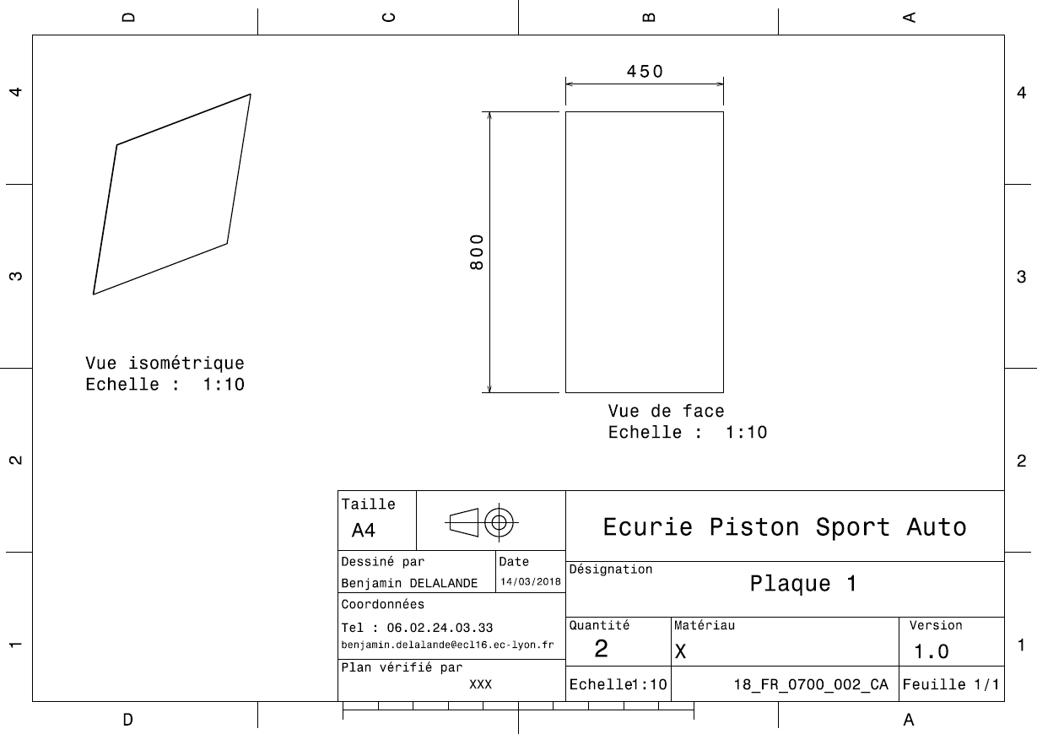
Drawing Part : | FR_0700_003

dFR_0700_004
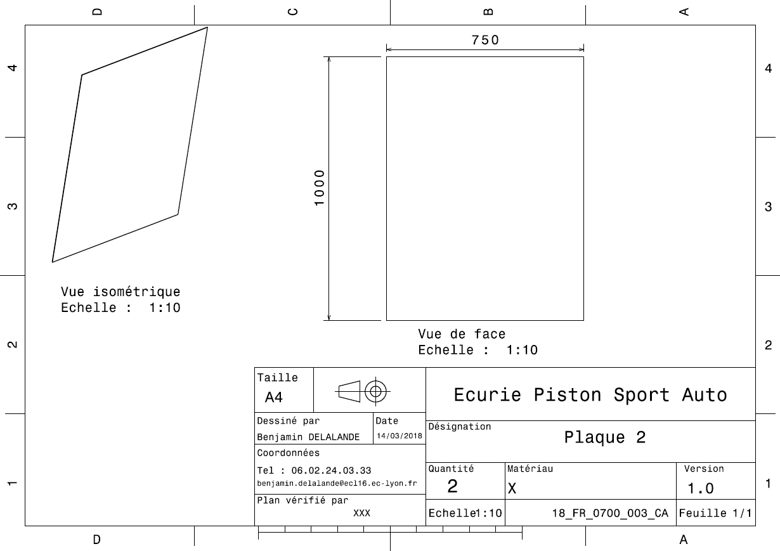
Drawing Part : | FR_0700_004

dFR_0700_005
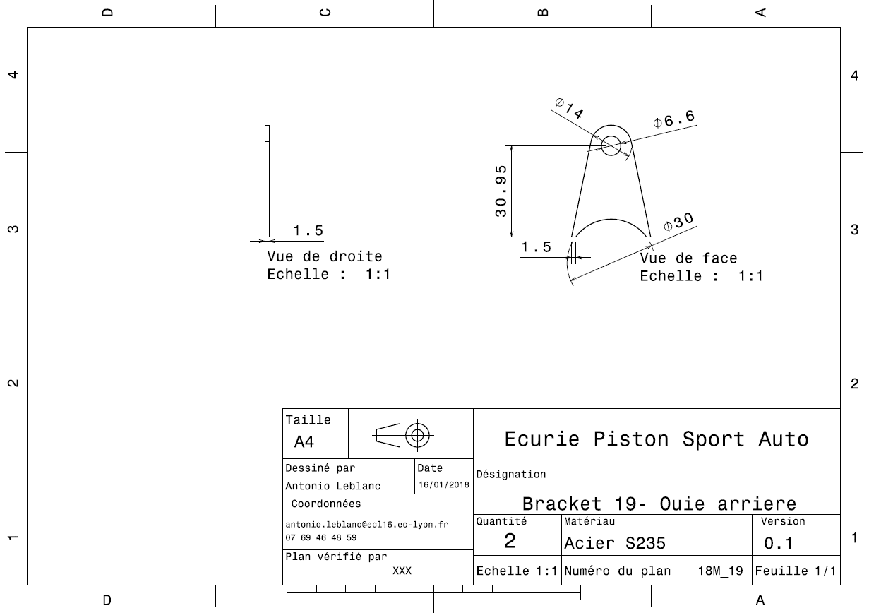
Drawing Part : | FR_0700_005

dFR_0700_006
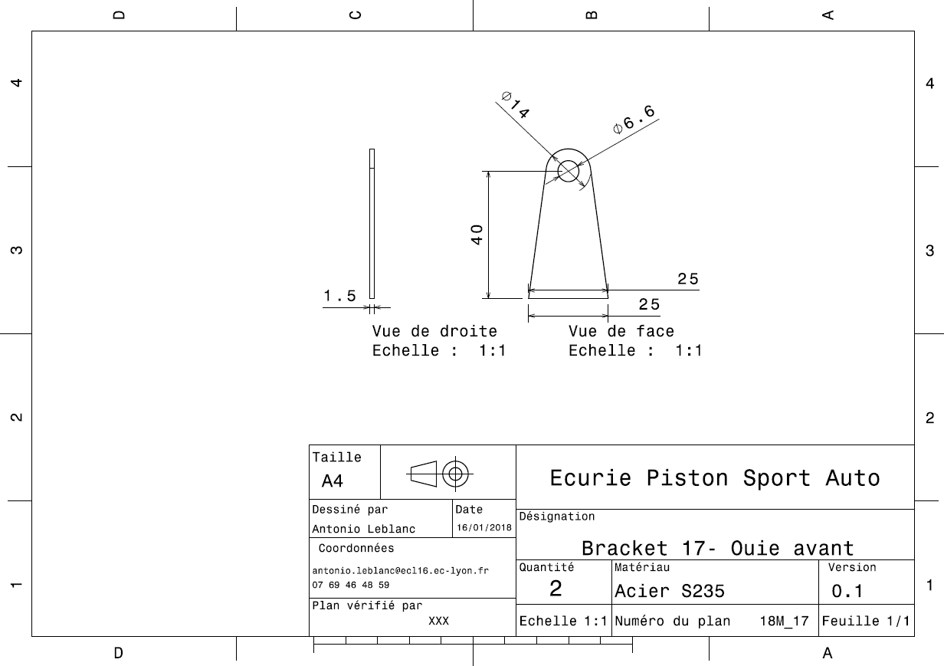
Drawing Part : | FR_0700_006

dFR_0700_007
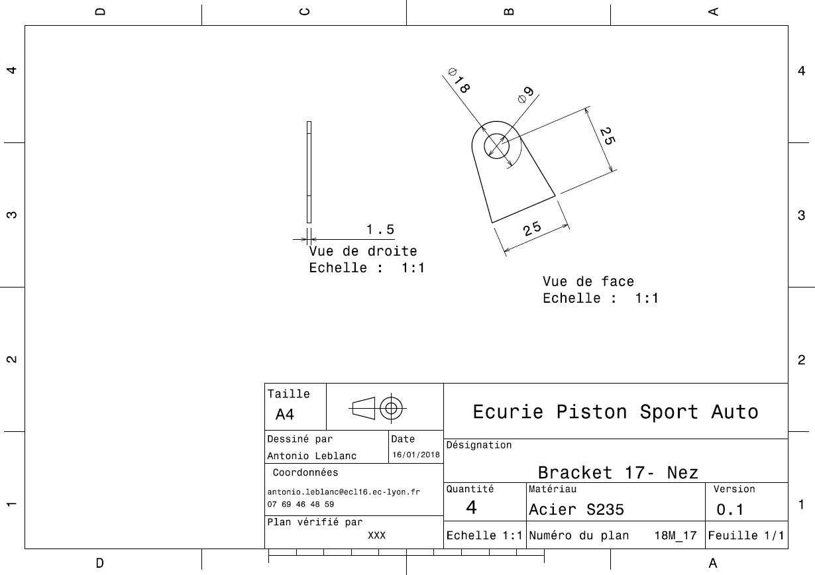
Drawing Part : | FR_0700_007

